CA
2030 is the current limit of the regulatory schedule. Later values are held constant at the 2030 level.
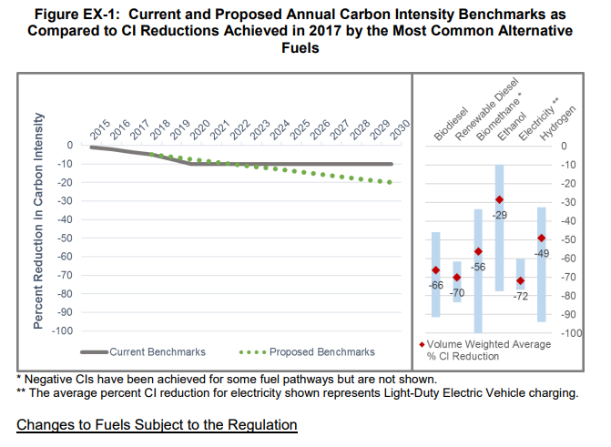
Annual increment on path to 2030 | 0.0125
2018 historical level | 0.035

